Dashboard
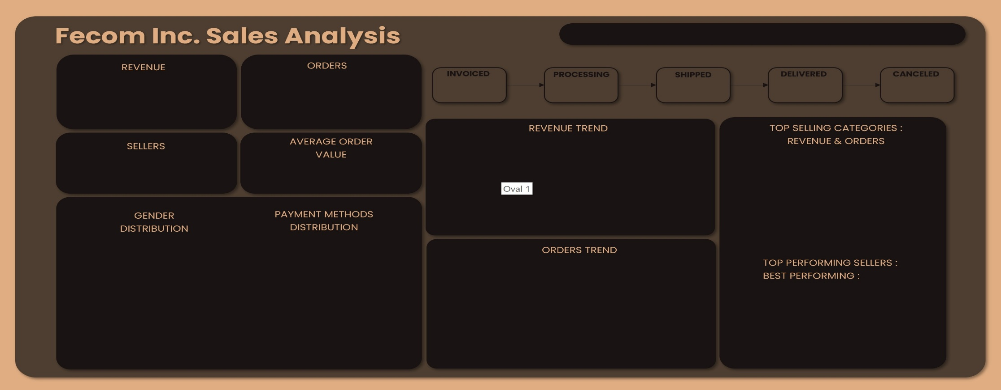
 | Total
Qtr4 | £0.9K
Qtr1 | £22.5K
Qtr2 | £41.5K
Qtr3 | £54.3K
Qtr4 | £58.8K
Qtr1 | £77.8K
Qtr2 | £79.5K
Qtr3 | £49.5K
 | Total
Qtr4 | 4
Qtr1 | 167
Qtr2 | 291
Qtr3 | 408
Qtr4 | 505
Qtr1 | 582
Qtr2 | 582
Qtr3 | 345

0.49%
£384.8K
2,884
0.28%
0.28%
1.70%
97.26%
14 Orders
8 Orders
8 Orders
49 Orders
2805 Orders

 | Total
2022 | 894.05
2023 | 180793.39
2024 | 207389.93

735
£134.1
Orders
Revenue
 | Sum of Price | Count of Order_ID
Toys_Pets | £37.3K | 275
Home_Appliances | £58.2K | 452
Health_Beauty | £49.8K | 368
Furniture | £50.5K | 472
Computers_Gaming | £95.8K | 616
 | Count of Order_ID | Sum of Price
credit_card | 2,139 | £308.2K
debit_card | 497 | £56.4K
prepaid_card | 36 | £3.6K
voucher | 212 | £20.8K

 | Count of Order_ID | Sum of Price
Female | 1,208 | £167.7K
Male | 1,676 | £221.4K

 | Total
2022 | 4.00
2023 | 1371.00
2024 | 1509.00

PrimeBuilders
 | Total
CreediteStar | £7K
Heliosphere | £6.7K
MicroliteWave | £7.5K
NimbusBreeze | £6.8K
PrimeBuilders | £9.4K

